Example
 |  | Input field |  | Date: | 2021-10-04
 |  | Output field |  | Address: | Amberley School Swimming Pool

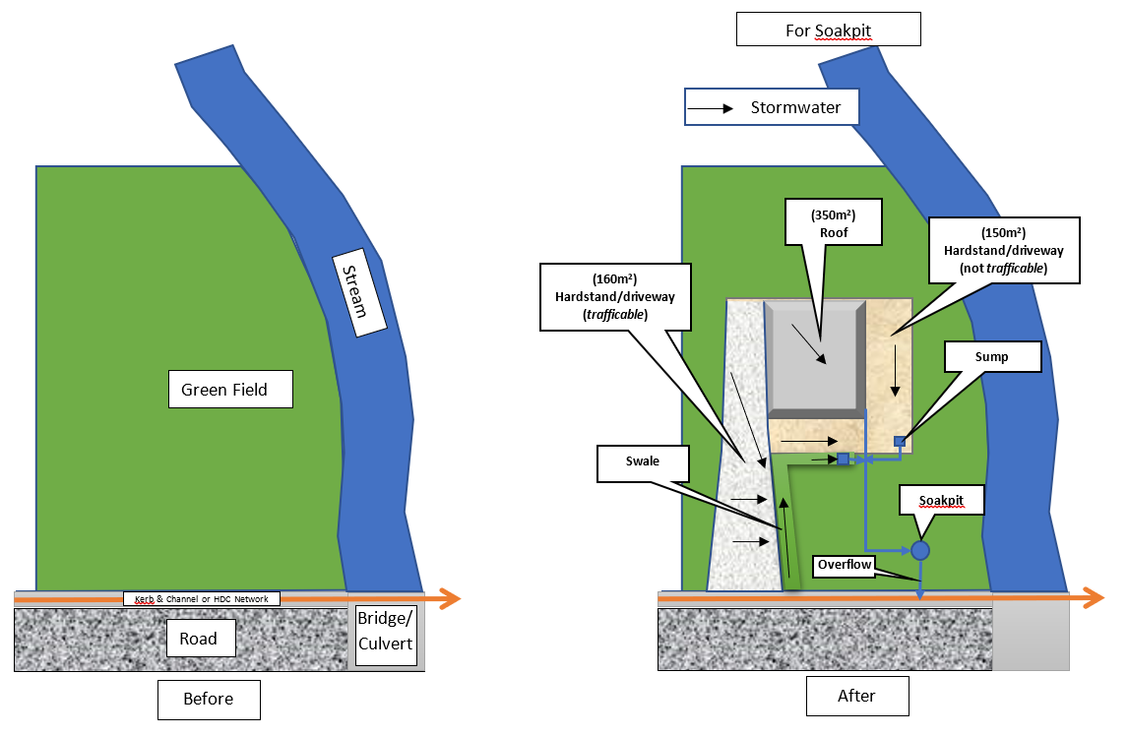
 | Link to get Intensities |  |  | https://hirds.niwa.co.nz/
 |  | Intensities HIRDS v4 Scenario RCP8.5 for the period 2081-2100 (mm/hr)
 |  | Table. 1 |  | min | 10 | 20 | 30 | 60 | 120 | 360 | 720 | 1440 | 2880 | 4320 | 5760 | 7200
 |  |  | ARI | AEP | 10m | 20m | 30m | 1h | 2h | 6h | 12h | 24h | 48h | 72h | 96h | 120h
 | Return period (years) | 1.58 | 1.58 | 0.633 | 26.1 | 19.4 | 16.4 | 12.4 | 9.29 | 5.57 | 3.84 | 2.55 | 1.58 | 1.15 | 0.91 | 0.751
 |  | 2 | 2 | 0.5 | 29.8 | 22.1 | 18.7 | 14.2 | 10.6 | 6.33 | 4.37 | 2.87 | 1.78 | 1.3 | 1.03 | 0.847
 |  | 5 | 5 | 0.2 | 43.5 | 32 | 27 | 20.4 | 15.2 | 9.02 | 6.2 | 4.05 | 2.5 | 1.83 | 1.44 | 1.18
 |  | 10 | 10 | 0.1 | 54.5 | 40 | 33.7 | 25.3 | 18.8 | 11.1 | 7.62 | 4.96 | 3.05 | 2.23 | 1.75 | 1.44
 |  | 20 | 20 | 0.05 | 66.5 | 48.6 | 40.9 | 30.6 | 22.7 | 13.4 | 9.11 | 5.9 | 3.63 | 2.64 | 2.07 | 1.7
 |  | 30 | 30 | 0.033 | 73.9 | 54 | 45.3 | 33.9 | 25.1 | 14.7 | 10 | 6.49 | 3.98 | 2.9 | 2.27 | 1.86
 |  | 40 | 40 | 0.025 | 79.3 | 57.9 | 48.6 | 36.3 | 26.8 | 15.7 | 10.7 | 6.91 | 4.23 | 3.08 | 2.41 | 1.98
 |  | 50 | 50 | 0.02 | 83.8 | 61.1 | 51.2 | 38.2 | 28.2 | 16.5 | 11.2 | 7.24 | 4.44 | 3.22 | 2.52 | 2.06
 |  | 60 | 60 | 0.017 | 87.4 | 63.6 | 53.3 | 39.8 | 29.3 | 17.2 | 11.7 | 7.52 | 4.6 | 3.34 | 2.61 | 2.14
 |  | 80 | 80 | 0.012 | 93.3 | 67.8 | 56.9 | 42.3 | 31.2 | 18.2 | 12.3 | 7.94 | 4.86 | 3.52 | 2.75 | 2.25
 |  | 100 | 100 | 0.01 | 97.9 | 71.1 | 59.5 | 44.3 | 32.6 | 19 | 12.9 | 8.29 | 5.06 | 3.66 | 2.87 | 2.34
 |  | 250 | 250 | 0.004 | 117 | 84.7 | 70.7 | 52.4 | 38.4 | 22.3 | 15 | 9.64 | 5.86 | 4.23 | 3.31 | 2.7

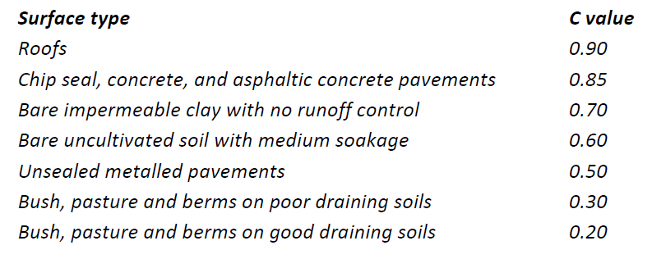
Surface type, Area & "C" value contributing to Soakpit
Roof Area |  |  | A1 | 699 | m2 |  |  |  |  |  |  |  | *This calculation is only to be used after the permit from Hurunui District Council as a design aid for soakpit and should not be used or relied upon by any other person or entity or for any other purposes. No responsibility is accepted by Hurunui District Council or its staff or employees for the accuracy of information provided by third parties and/ or the use of any part of this calculation in any other context or for any other purposes. Any kind of modification of the sheet is not allowed without permission from HDC.
"C" for Roof |  |  | C1 | 0.90
Hardstand & Driveway Area |  |  | A2 | 122 | m2
"C" for Hardstand |  |  | C2 | 0.85
Area of Green field |  |  | A3 | 10 | m2
"C" for Green area |  |  | C3 | 0.9
Other Areas |  |  | A4 | 40 | m2
Other "C" |  |  | C4 | 0.9
Total Area |  |  | TA | 831 | m2
Gross C |  |  | Ct | 0.89

 | Percolation test result
 | percolation rate |  | P | 11.655 | l/m2/min |  | Put the percolation rate value found from (box P) of Sheet W1 or W2 provided to perform percolation test

Soakpit design
 | Type |  |  | R |  | Input is "C" for Cylindrical and "R" for Square or Rectangular Soakpit
dimensions | depth |  | d | 2.00 | m
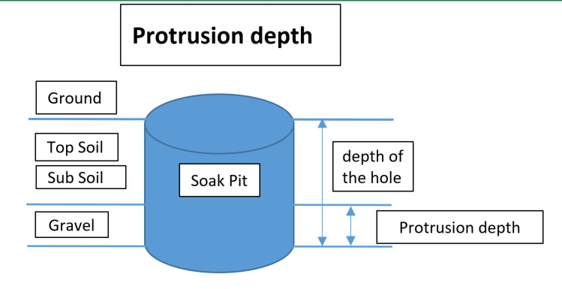
 | width |  | w | 4.00 | m
 | length/Diameter |  | L or D | 5.00 | m
 | Base Area |  | a | 20.00 | m2
protrusion depth in Gravel |  |  | Pd | 0.80 | m
 | soakage area |  | Sa | 34.40 | m2
Storage in Soakpit |  |  | Vss | 15.20 | m3
Flow through soakpit |  |  | Qs | 0.00445 | m3/sec |  |  |  |  |  |  |  | Consequence of failure
 | safty factor |  |  | 1.50 |  |  |  |  |  |  |  |  | low = 1.5, high = 3.0

 | Design Check
 | ok |  | ponding volume | -2.867 | m3
 | Currently less than 0.39 m3 ponding is allowed

